1. Title Page
Grocery Basket Analysis

Project Name: Instacart Grocery Basket Analysis
Date: March 27, 2025
Analyst Name: Priya Agrawal

Contents:
Population Flow
Consistency checks
Wrangling steps
Column derivations
Visualizations
Recommendations

Citation:
“The Instacart Online Grocery Shopping
Dataset 2017”, Accessed from www.instacart.com/datasets/grocery-shopping-2017
via Kaggle on <January 27, 2025>.

2. Population Flow
Title page

Population flow

Exclusion flag
Condition: max_order < 5
Obervations to be removed: 1440045
Final total count of order_products_all: 30959687

Orders_products_combined
Orders_products_merged
Orders_products_all

Total: 32399732
Total: 32434489
Total: 32399732

1.) The grey boxes in the first row of the population flow represent the original data sets as they were when you downloaded them. In the Total fields you need to add the count of the rows when you imported the data set into Jupyter.
2.) The second row of boxes (coloured) represents the data sets after you manipulated them, e.g., removed missing values and duplicates. In the Total fields you need to add the count of the rows after conducting these operations. This offers a visual oveview of how the data flows throughout the data consistency checks.
3.) The third row, where also the arrows are coloured, represents the merges you performed between the datasets. In the Total fields you need to add the count of the rows in the merged datasets, so that you end up with the final dataset (in the red box). Keep in mind the final dataset should be without exclusions (based on the exclusion flag).

3. Consistency checks
 |  |  |  | Title page
Consistency checks

Dataset | Missing values | Missing values treatment | Duplicates
orders | 206209 in the days_since_prior_order column | Missing values were replaced by the median | None
products | 16 | Created a new dataframe without missing values | 5 duplicates were found and removed
orders_products_prior | None | N/A | None
customers | None | N/A | None

4. Wrangling steps
 |  |  |  | Title page
Wrangling steps

Columns dropped | Columns renamed | Columns' type changed | Comment/Reason
eval_set |  |  | Dropped because column was unnecessary
Unnamed: 0.1 |  |  | Dropped because column was unnecessary (orders dataset)
Unnamed: 0 |  |  | Dropped because column was unnecessary (orders dataset)
Unnamed: 0 |  |  | Dropped because column was unnecessary (products dataset)
_merge |  |  | Dropped from orders_products_combined prior to merging with products dataset
_merge |  |  | Dropped from orders_products_merged_groups prior to merging with customers dataset
First_name |  |  | Dropped to remove personally identifiable information from the dataset
Last_name |  |  | Dropped to remove personally identifiable information from the dataset
_merge |  |  | Dropped from cust_high_activity prior to merging with departments dataset
 | order_dow |  | Renamed to orders_day_of_week
 | Unnamed: 0 |  | Renamed to department_id in departments dataset
 | Surnam |  | Renamed to Last_name
 | STATE |  | Renamed to State
 | n_dependants |  | Renamed to number_of_dependants
 | fam_status |  | Renamed to family_status
 |  | order_id | Changed data type to string
 |  | order_number | Changed data type to string
 |  | First Name | It was a mixed-type column, so converted to string
 |  | order_id, user_id, order_number, orders_day_of_week, order_hour_of_day, days_since_prior_order, product_id, add_to_cart_order, reordered, aisle_id, department_id, prices, Age, number_of_dependants | Changed data types of each column to reduce memory usage (example: changed a column's data type from int64 to int32)

5. Column derivations
 |  |  |  | Title page

Column derivations and aggregations

In this tab you should add tables below that the frequences of flags/label variables that you produced after deriving them. NB: don't do this for continuous variables, only for flags.
Dataset | New column | Column/s it was derived from | Conditions
orders_products_merged | price_range_loc | prices | prices > 15 is High-range product, prices <= 15 and > 5 is Mid-range product, prices <= 5 is Low-range product
orders_products_merged | busiest_day | orders_day_of_week | if value = 0 it is Busiest day, if value = 4 it is Least bust, if value it is anything other than 0 and 4 is Regularly busy
orders_products_merged | busiest_days | orders_day_of_week | if value = 0 or 1 it is Busiest days, if value = 3 or 4 it is Slowest days, if value = anything other than 0, 1, 3, and 4 it is Regularly busy
orders_products_merged | busiest_period_of_day | order_hour_of_day | if value = 10, 11, 14, 15, 13, 12, 16, 9 it is Most orders, if value = 17, 8, 18, 19, 20, 7, 21, 22 it is Average orders, if value is anything else than those already listed it is Fewest orders
orders_products_merged | max_order | user_id and order_number | Aggregated both columns and obtained the maximum value
orders_products_merged | loyalty_flag | max_order | max_order > 40 is Loyal customer, max_order <= 40 and > 10 is Regular customer, max_order <= 10 is New customer
orders_products_merged | avg_product_price | user_id and prices | Aggregated both columns and obtained the mean value
orders_products_merged | spending_flag | avg_product_price | avg_product_price >= 10 is High spender, avg_product_price < 10 is Low spender
orders_products_merged | median_days_between_orders | user_id and days_since_prior_order | Aggregated both columns and obtained the median value
orders_products_merged | order_frequency_flag | median_days_between_orders | median_days_between_orders > 20 is Non-frequent customer, median_days_between_orders <= 20 and > 10 is Regular customer, median_days_between_orders <= 10 is Frequent customer
orders_products_all | Region | State | State = Maine, New Hampshire, Vermont, Massachusetts, Rhode Island, Connecticut, New Jersey, Pennsylvania, New York is Northeast, State = Wisconsin, Michigan, Illinois, Indiana, Ohio, North Dakota, South Dakota, Nebraska, Kansas, Minnesota, Iowa, Missouri is Midwest, State = Delaware, Maryland, District of Columbia, Virginia, West Virginia, North Carolina, South Carolina, Georgia, Florida, Kentucky, Tennessee, Mississippi, Alabama, Oklahoma, Texas, Arkansas, Louisiana is South, State = Idaho, Montana, Wyoming, Nevada, Utah, Colorado, Arizona, New Mexico, Alaska, Washington, Oregon, California, Hawaii is West
orders_products_all | activity_flag | max_order | max_order < 5 is low-activity customer, max_order >= is high-activity customer
orders_products_all | Age_group | Age | Age <= 25 is young adult, Age > 25 and <=44 is adult, Age > 44 and <=64 is middle-aged, Age > 64 is senior
orders_products_all | Income_group | income | income <= 55000 is low income, income > 55000 and <= 150000 is middle income, income > 150000 is high income
orders_products_all | dependants_flag | number_of_dependants | number_of_dependants = 0 is no dependants, number_of_dependants >= 1 is has dependants

6. Visualizations
 |  |  |  | Title page

Visualisations

In this tab you should include all the visualizations from Exercises 4.9 and 4.10, alongside the questions from the project brief that they answer. Include any commentary on the relationship between different variables.

Key Question 1: What are the busiest days of the week and hours of the day?


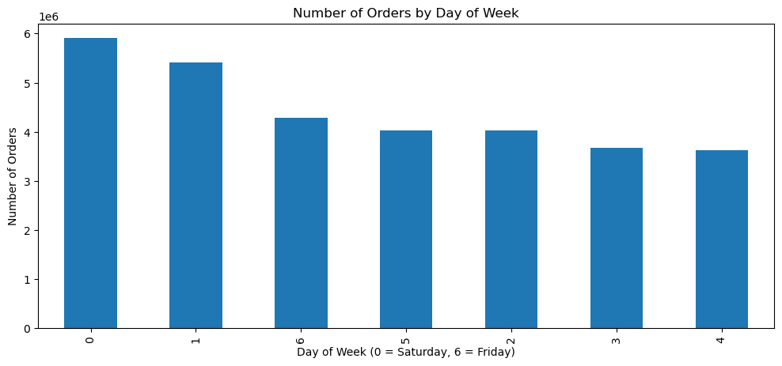

Most orders are placed between from 8am-6pm and Saturday and Sunday are the busiest days of the week.

Key Question 2: Are there particular times during the day when people spend the most money?

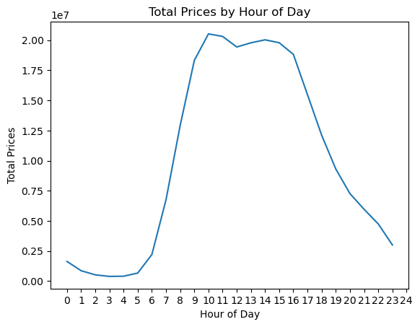
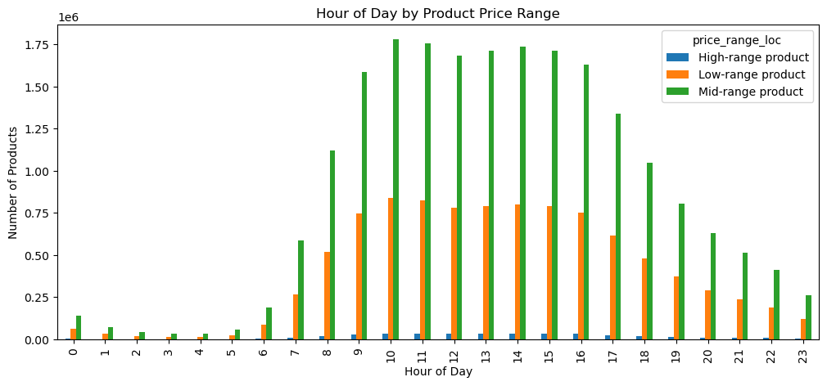

People tend to spend the most money from 8am-6pm with the peak being at 10am.

Key Question 3: How can different price range groupings be applied to products?

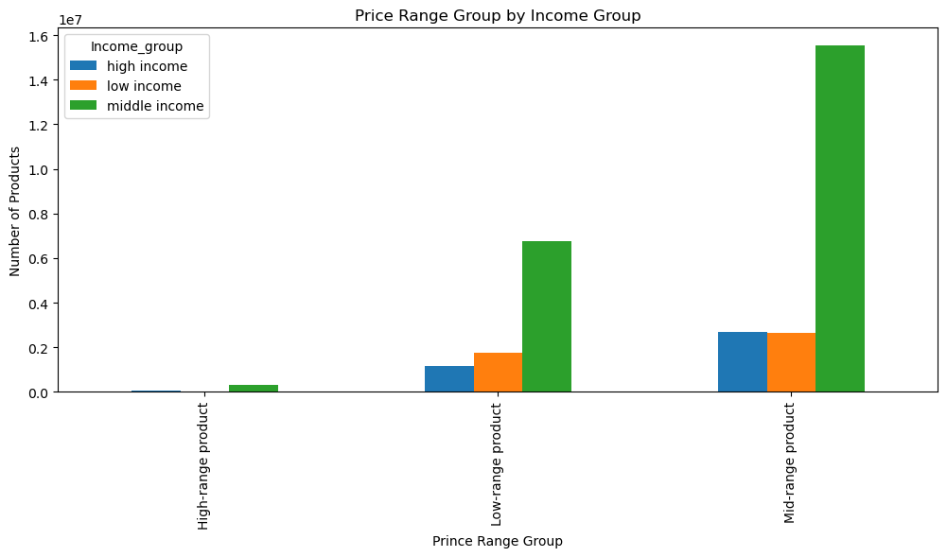
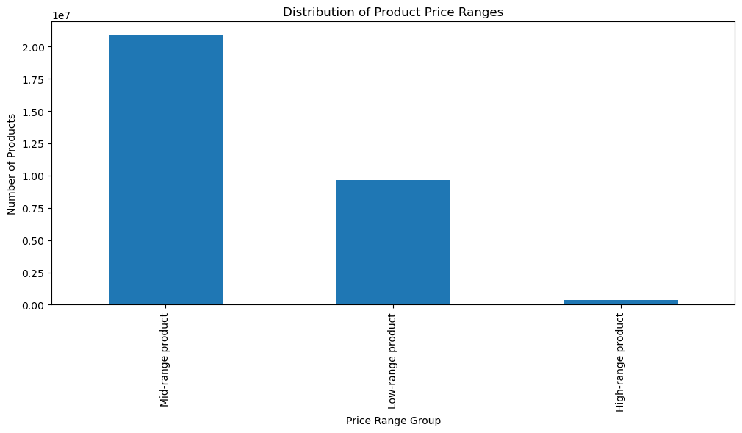

Products can be placed into three price range groupings: low-range products, mid-range products, and high-range products. Most products that are sold are mid-range products.

Key Question 4: Are there certain types of products that are more popular than others?

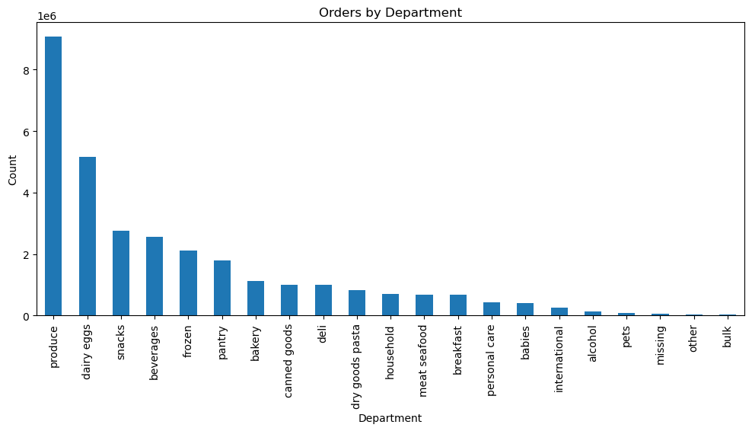
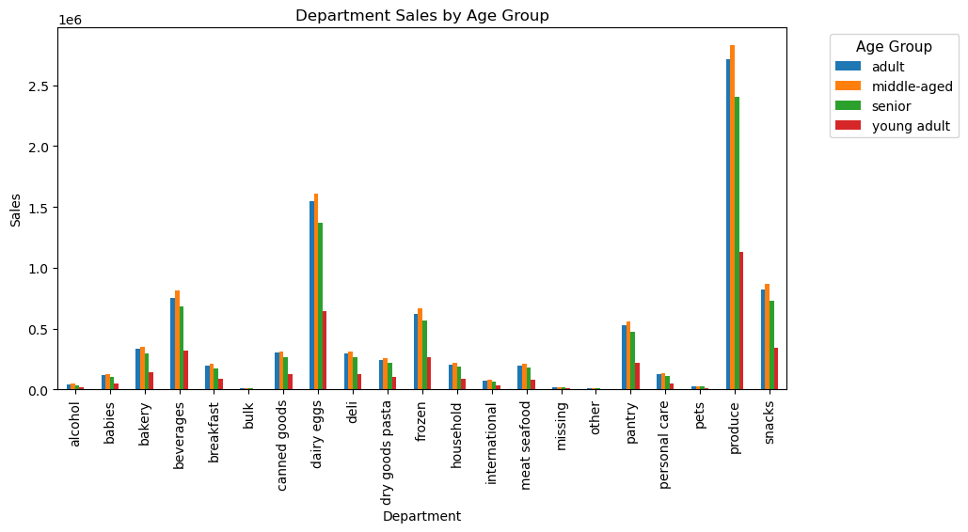

Produce, diary eggs, and snacks are the most popular departments from which products are ordered.

Key Question 5: What's the distribution among users in regards to their brand loyalty?

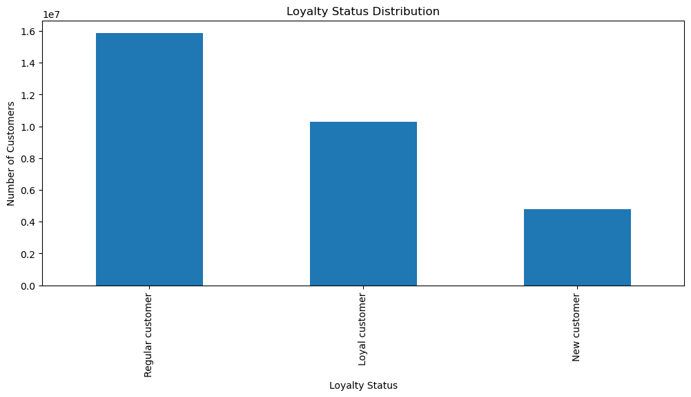
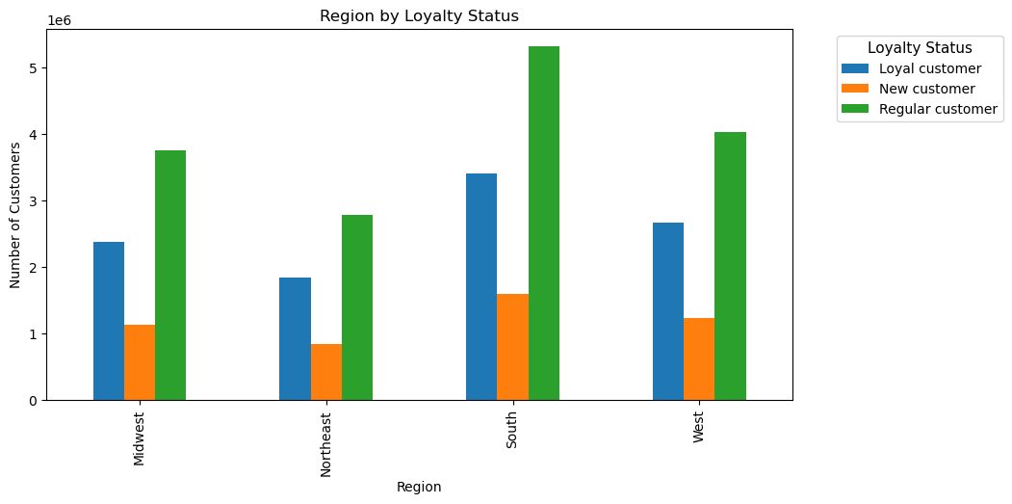

The most customers are regular customers, followed by loyal customers, and then new customers. This pattern is the same in each of the four regions.

Key Question 6: Are there differences in ordering habits based on a customer's loyalty status? | More visualizations -->

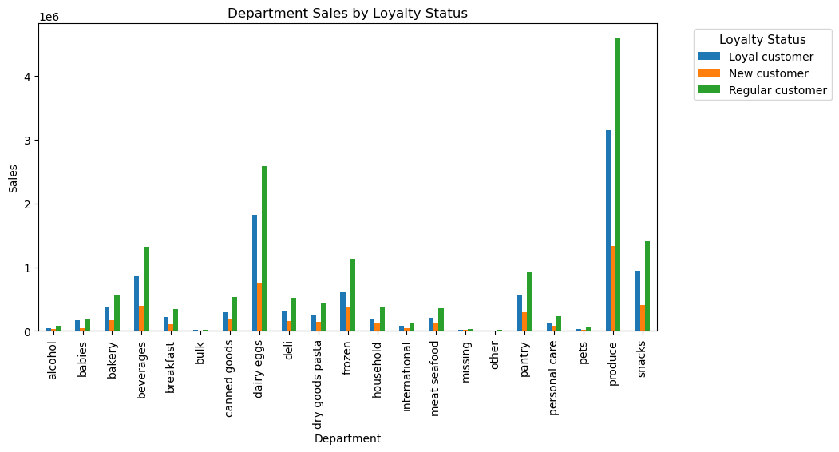
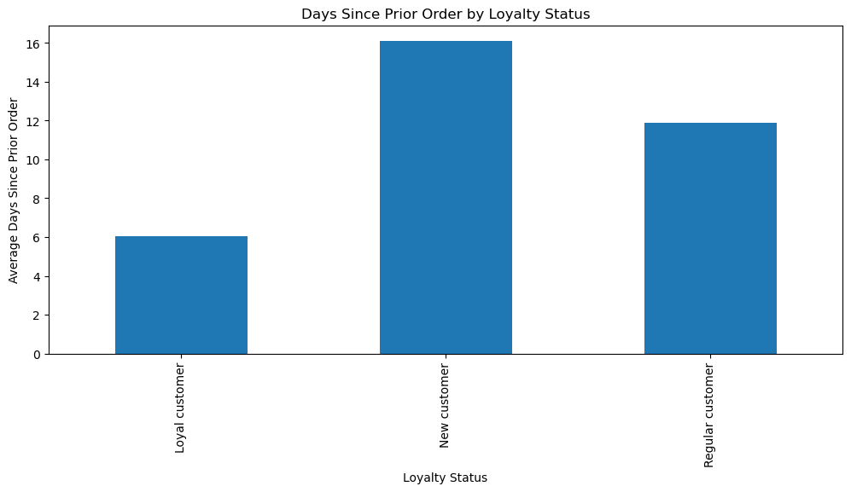
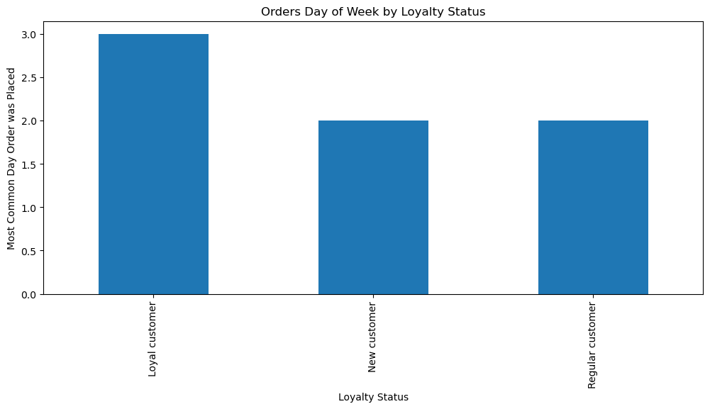

Key Question 7: Are there differences in ordering habits based on a customer's region? | More visualizations -->

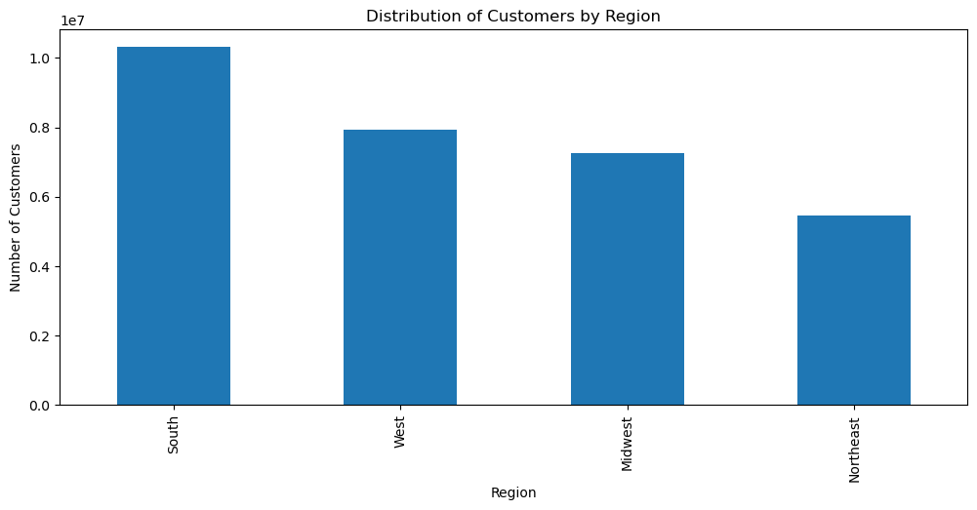
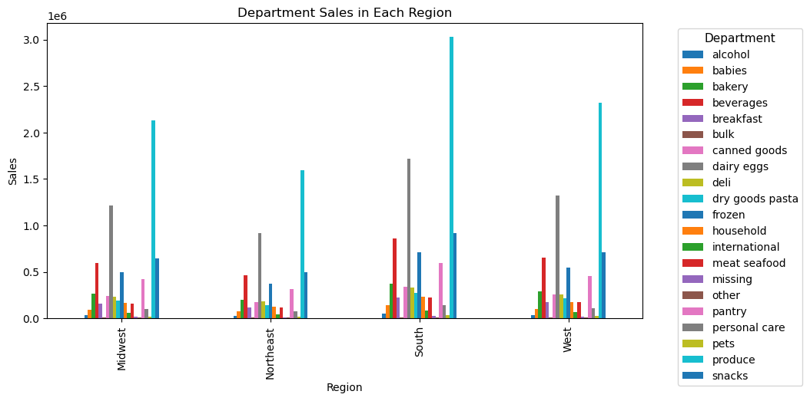
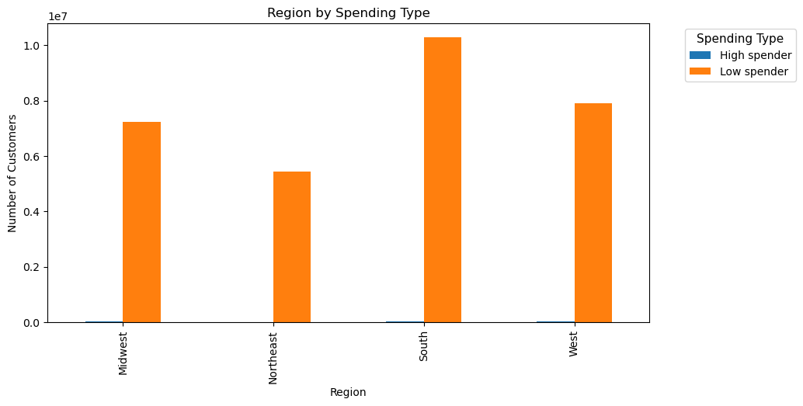
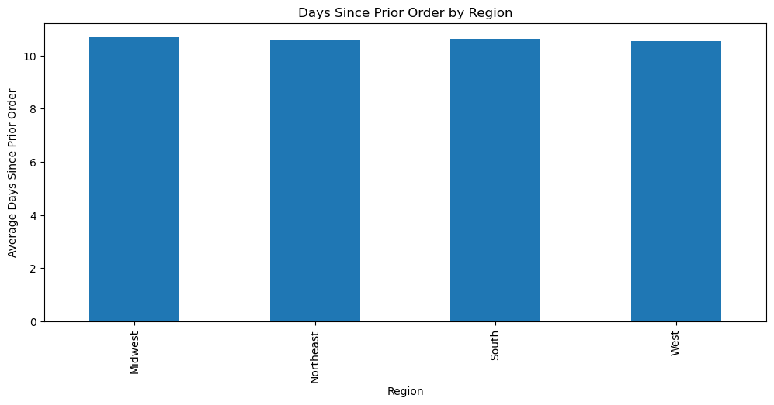
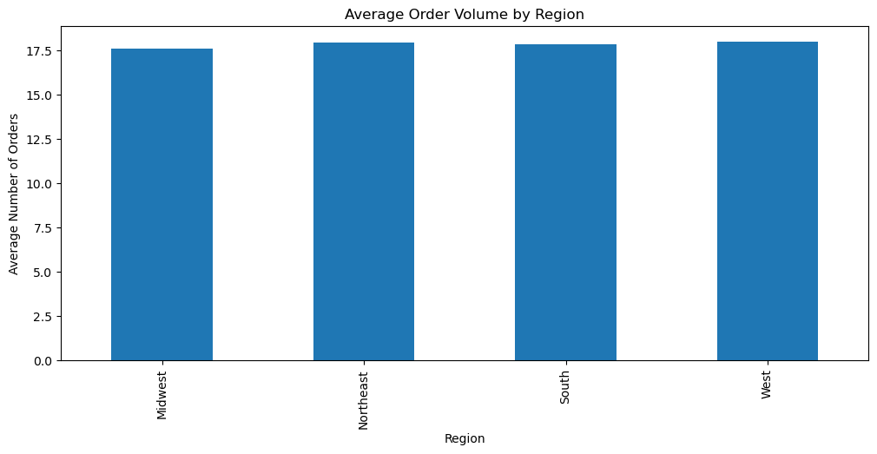

The South region has the most customers and generates the most sales followed by the West, Midwest, and Northeast. Other than this, there are not any differences in ordering habits between the regions.

Key Question 8: Is there a connection between age and family status in terms of ordering habits? |  | More visualizations -->

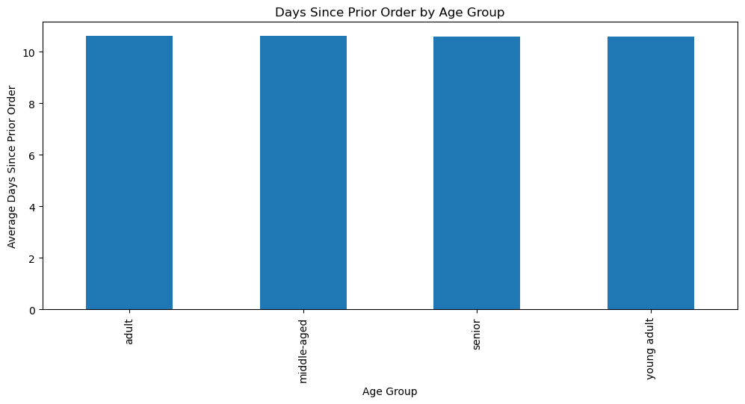
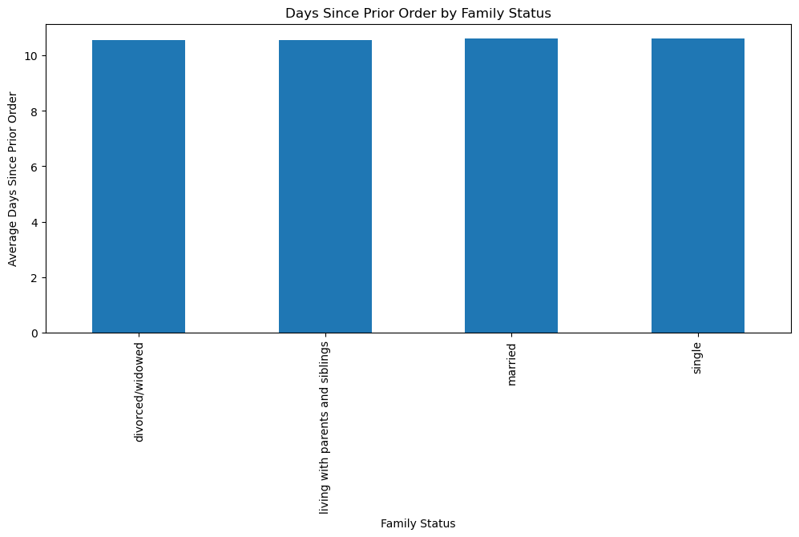
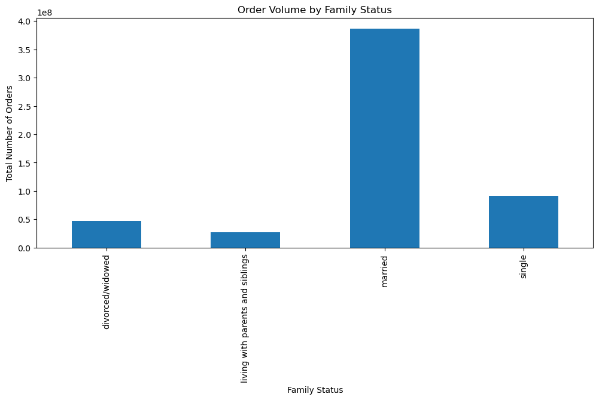
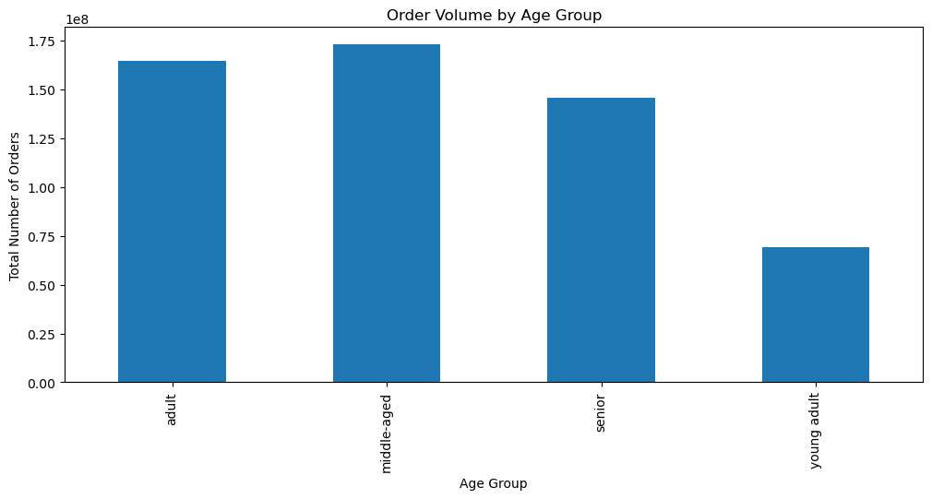
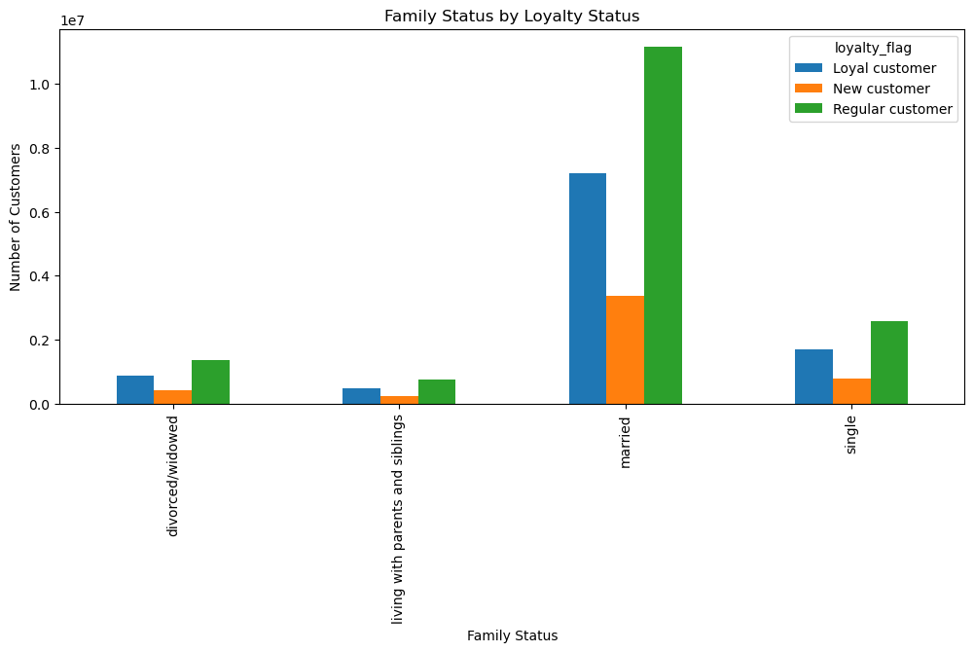
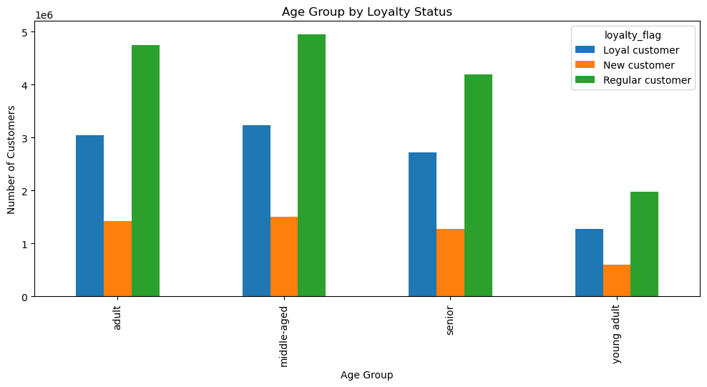

There does not seem to be a connection between age and family status in terms of ordering habits.

Key Question 9: What different classifications does the demographic information suggest? Age? Income? Certain types of goods? Family Status? |  |  | More visualizations -->

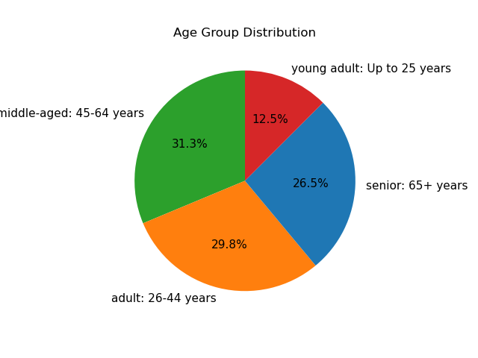
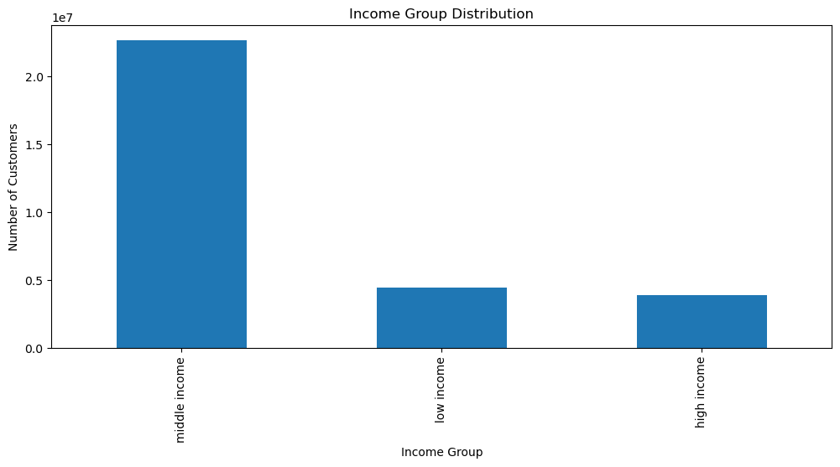
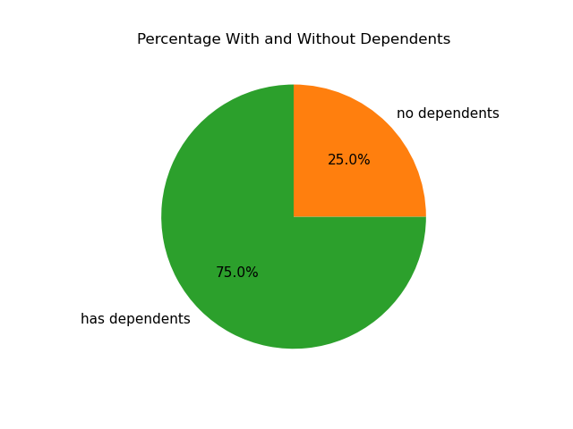
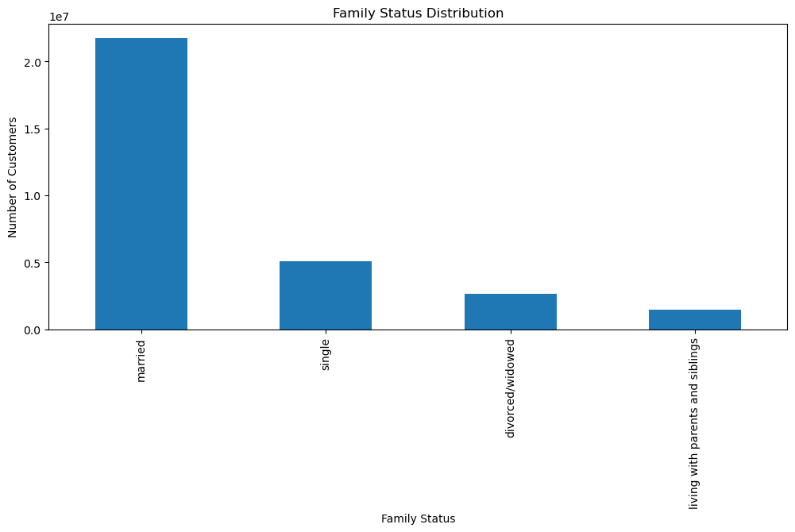
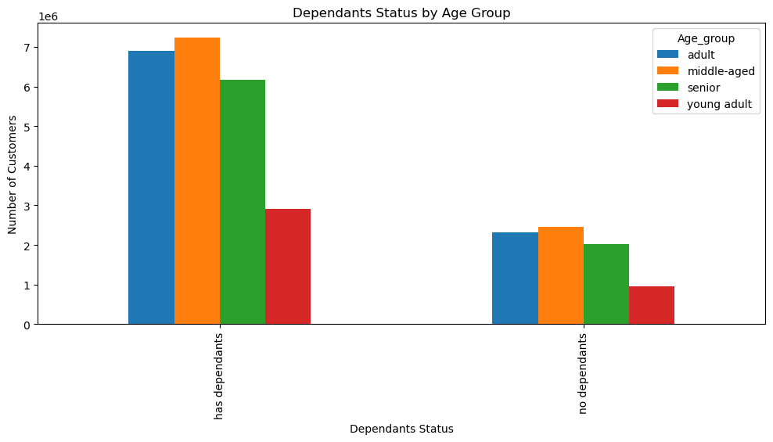
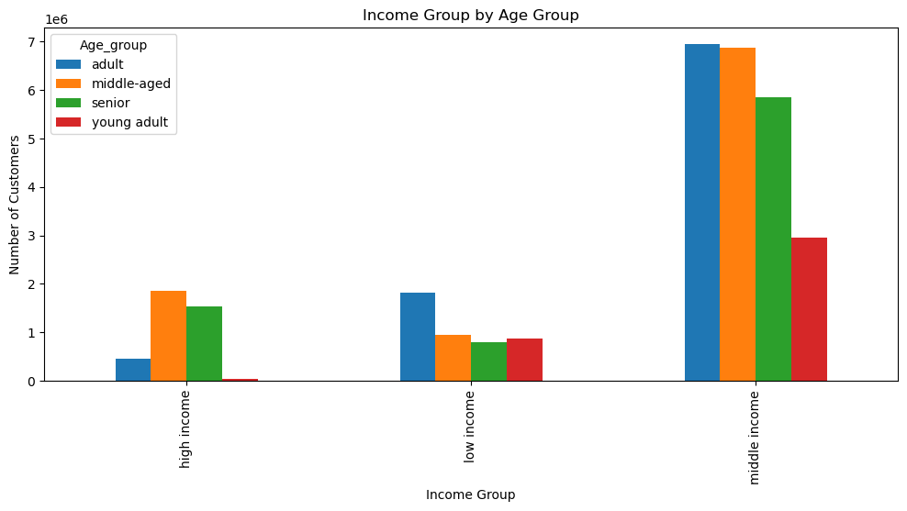
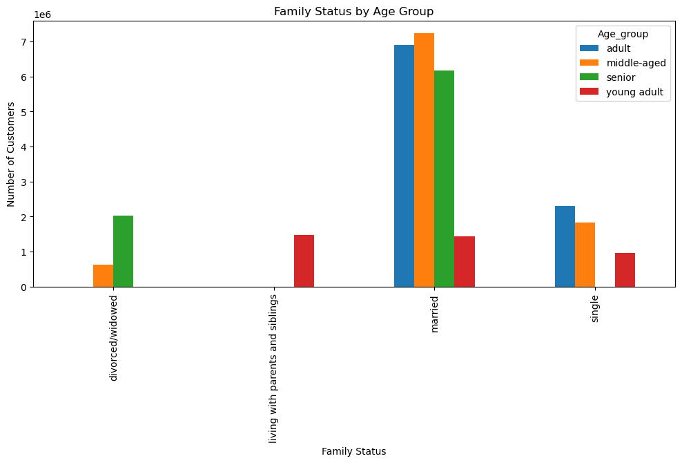
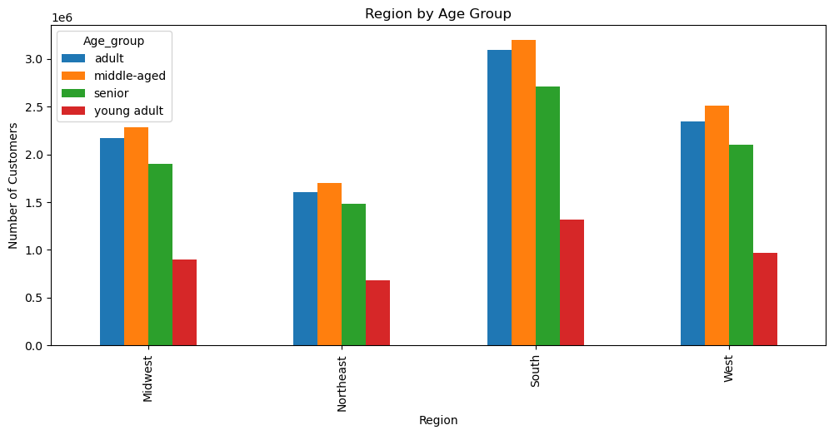
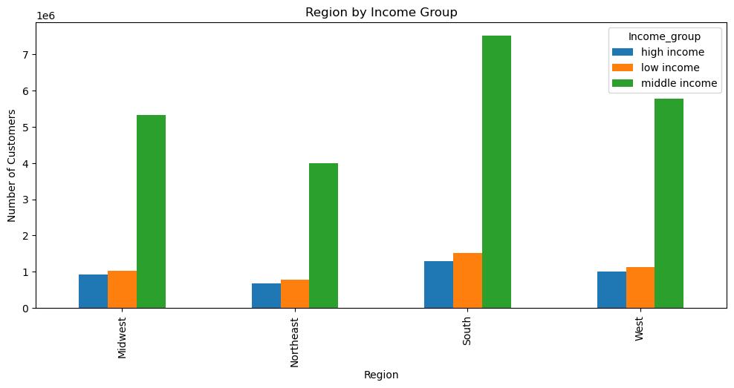
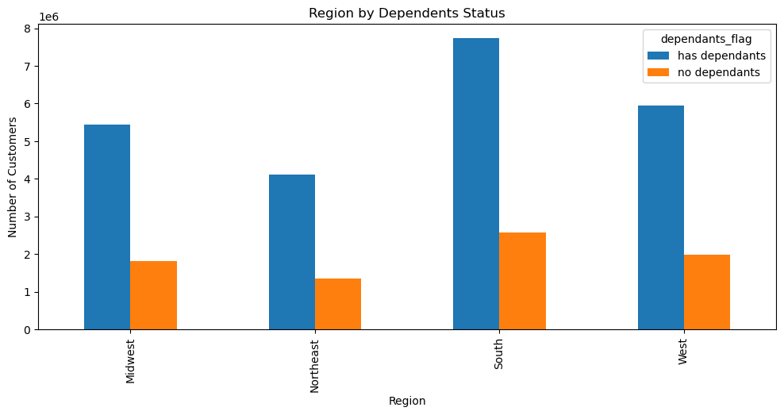
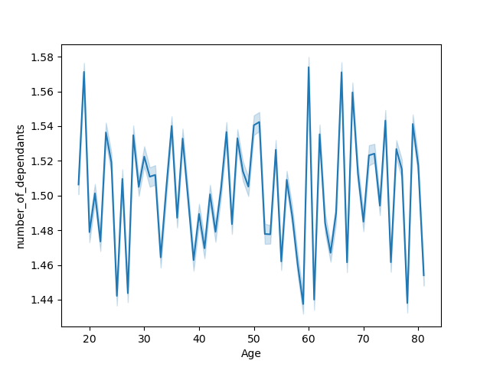

The largest age group is middle-aged, the largest income group is middle income, most customers have dependents, and most customers are married.

Key Question 10: What differences can you find in ordering habits of different customer profiles? |  | More visualizations -->

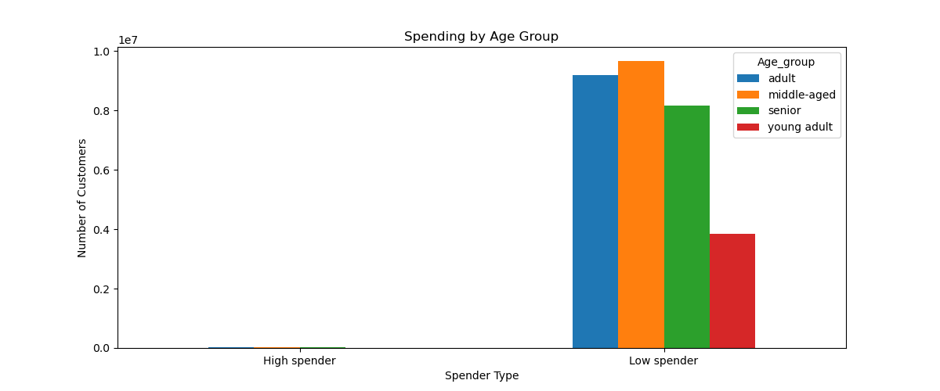
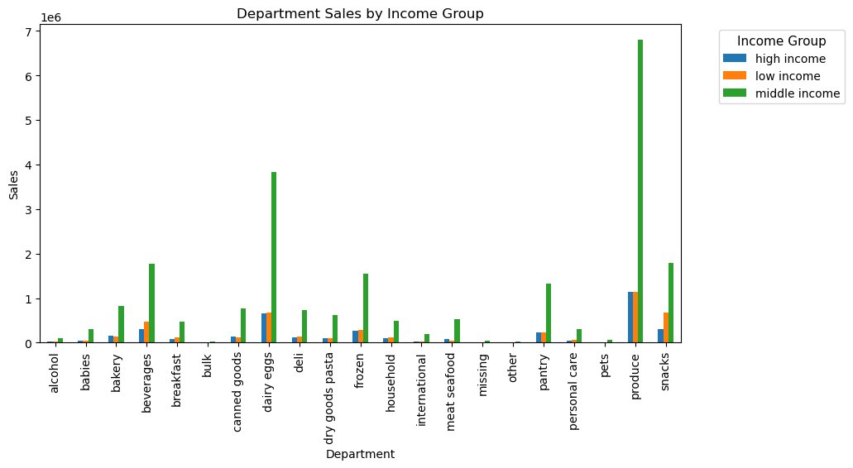
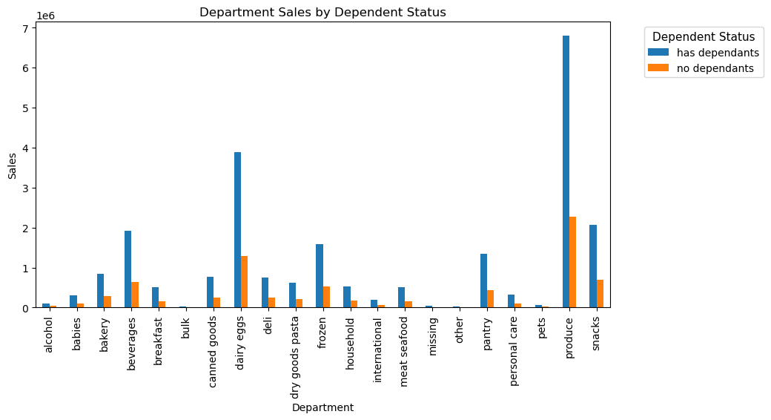


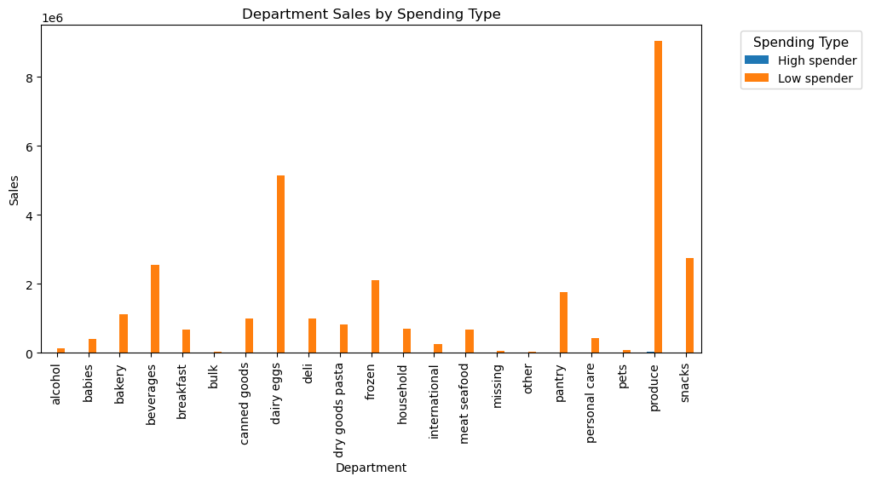
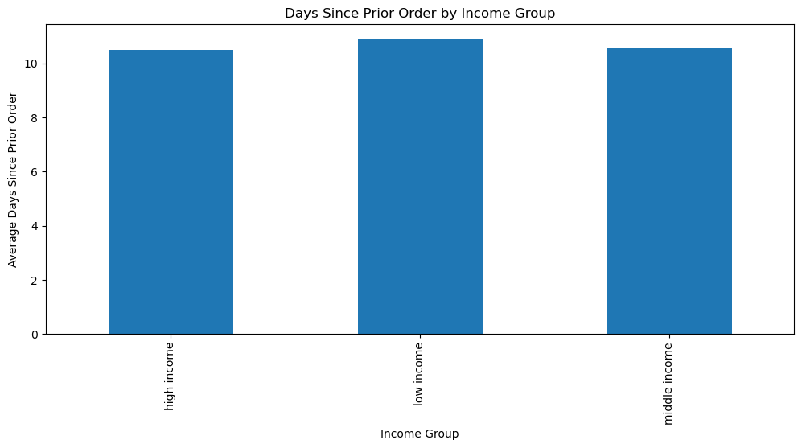
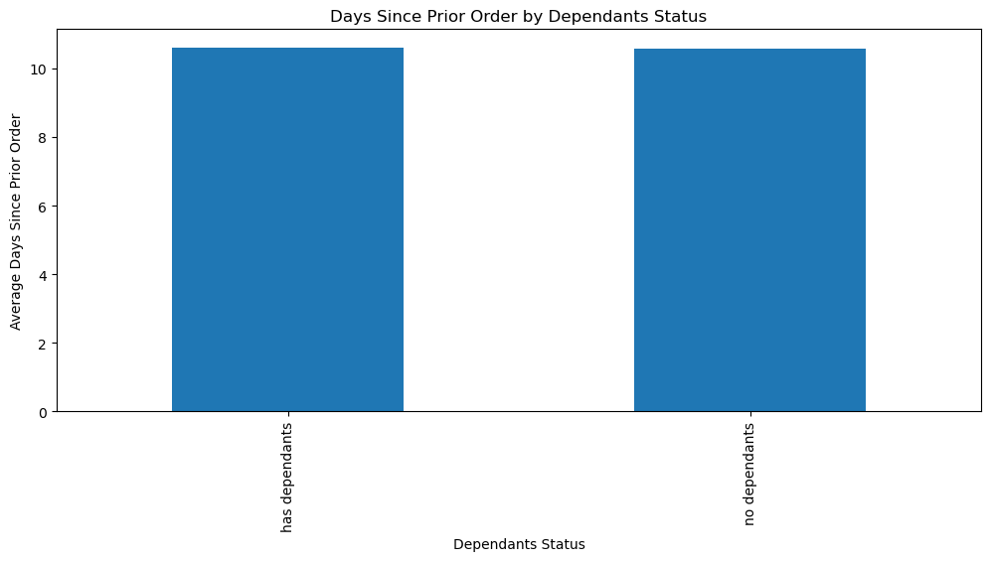

Ordering habits tend to be same across the different customer profiles, with the exception of a few things such as the departments that products are most ordered from.

7. Recommendations
 |  |  | Title page

Recommendations

In this tab you should include any recommendations you would made to Instcart in terms of their marketing strategy based on the questions posed in the brief. Every key question has been covered in the Tasks of the Exercises - here you need to add an item - a visualisation or table/crosstable that is showing the answer in the data, acompanied by a comment from you. Please, list the questions below and add the answer underneath.

Question | Visualization | Answer
Key Question 1: What are the busiest days of the week and hours of the day? |  | The busiest days of the week are Saturday, Sunday, and Friday and the busiest hours of the day are 8am-6pm. Ads should be scheduled after 6pm until 8am. Additionally, more staff can be scheduled on these days and times to meet the increased customer demands.
Key Question 2: Are there particular times during the day when people spend the most money? |  | People spend the most money from 8am-6pm with the peak being at 10am. Less popular products can be advertised during this time as there is an increased likelihood of people purchasing more products during this time.
Key Question 3: How can different price range groupings be applied to products? |  | Products can be placed into three price range groupings: low-range products (price is less than or equal to $5), mid-range products (price is greater than $5 and less than or equal to $15), and high-range products (pric is greater than $15). Most products that are sold are mid-range products.
Key Question 4: Are there certain types of products that are more popular than others? |  | Produce, diary eggs, and snacks are the most popular departments from which products are ordered. Advertisements can focus on products from these departments.
Key Question 5: What's the distribution among users in regards to their brand loyalty? |  | The most customers are regular customers, followed by loyal customers, and then new customers. This pattern is the same in each of the four regions. A points system can be introduced which will encourage customers to place more orders, enabling more customers to become loyal customers.
Key Question 6: Are there differences in ordering habits based on a customer's loyalty status? |  | There are differences in ordering habits based on a customer's loyalty status. Loyal customers have an average of six days between orders whereas, regular customers have an average of twelve days and new customers have an average of sixteen days. Loyal customers place orders mostly on Tuesday whereas, regular and new customers place orders mostly on Mondays. Ordering habits are very similar in terms of the departments that products are ordered from for all three loyalty groups.

Key Question 7: Are there differences in ordering habits based on a customer's region? |  | The South region has the most customers and generates the most sales followed by the West, Midwest, and Northeast. Other than this, there are not any differences in ordering habits between the regions.

Key Question 8: Is there a connection between age and family status in terms of ordering habits? |  | There does not seem to be any connection between age and family status in terms of ordering habits.

Key Question 9: What different classifications does the demographic information suggest? Age? Income? Certain types of goods? Family Status? |  | The demographic information suggests that the greatest percentage of customers are middle-aged, followed by adult, senior, and then young adult. Most customers are in the middle income group. A majority of customers have dependents. Most customers are married, followed by single, divorced/widowed, and then living with parents and siblings.

Key Question 10: What differences can you find in ordering habits of different customer profiles? |  | Almost all customers in all four age groups are low spenders. Middle income customers are responsible for most of the sales, with the most purchases in the product, dairy eggs, and beverages departments. Low income customers come after middle income customers in the sales generated, with the most purchases in the product, dairy eggs, and snacks departments. High income customers contribute the least to sales, with the most purchases in the product, diay eggs, and beverages departments. Customers with dependants contribute much more to sales than customers without dependants with both groups making the most purchases in the produce, dairy eggs, and snacks departments. Almost all sales in all departments are made by low spending customers. High income customers and middle income customers have almost the same average number of days since their last order, but low income customers have a slightly higher average number of days since their last order. Customers with and without dependants have almost the same average number of days since their last order.

